Sheet1
DATE | INV NO. | DESCRIPTIONS | QTY | BILLS | PRICE | TOTAL
2025-12-05 | 1240 | LPG 50KG | 4 | 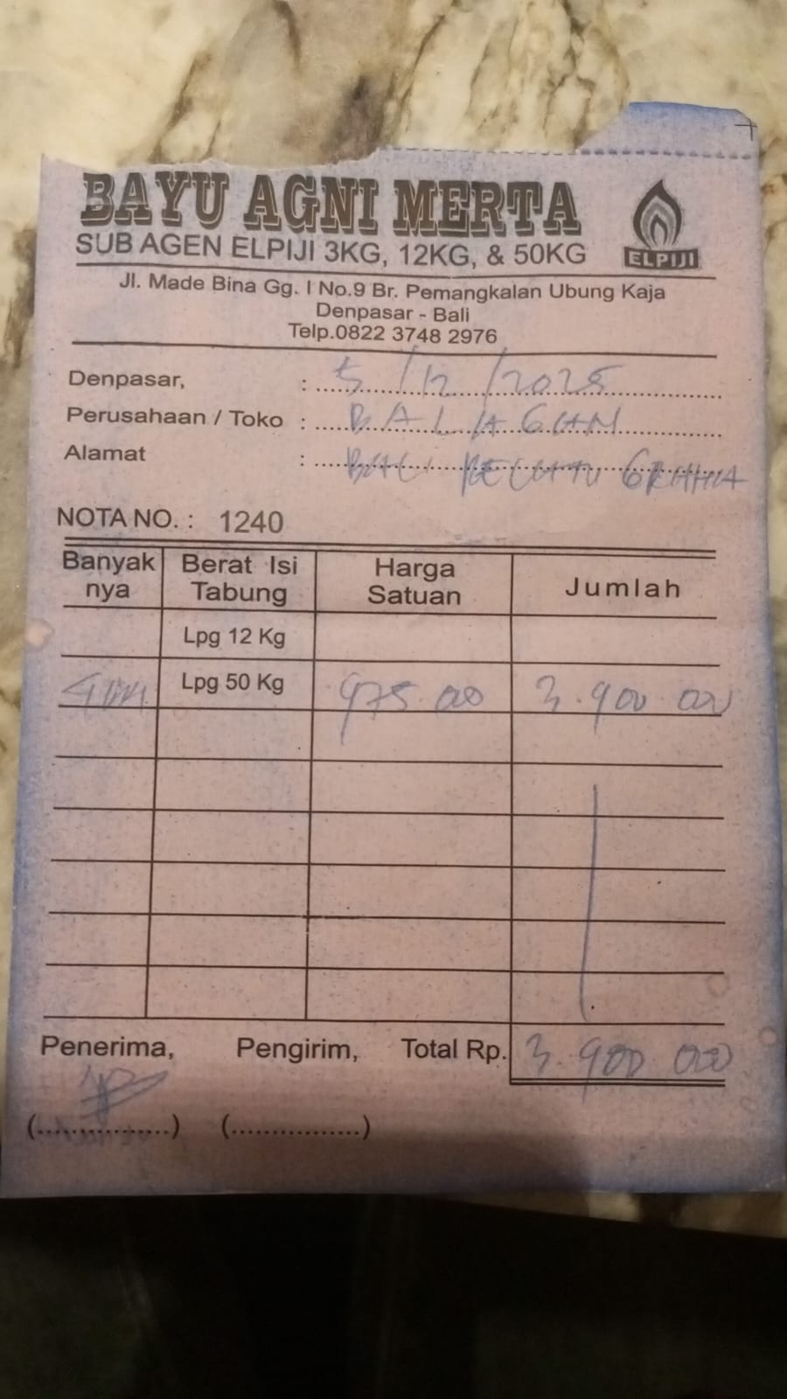 | IDR 975,000 | IDR 3,900,000
2026-12-14 | Rp1,250 | LPG 50KG | 5 | 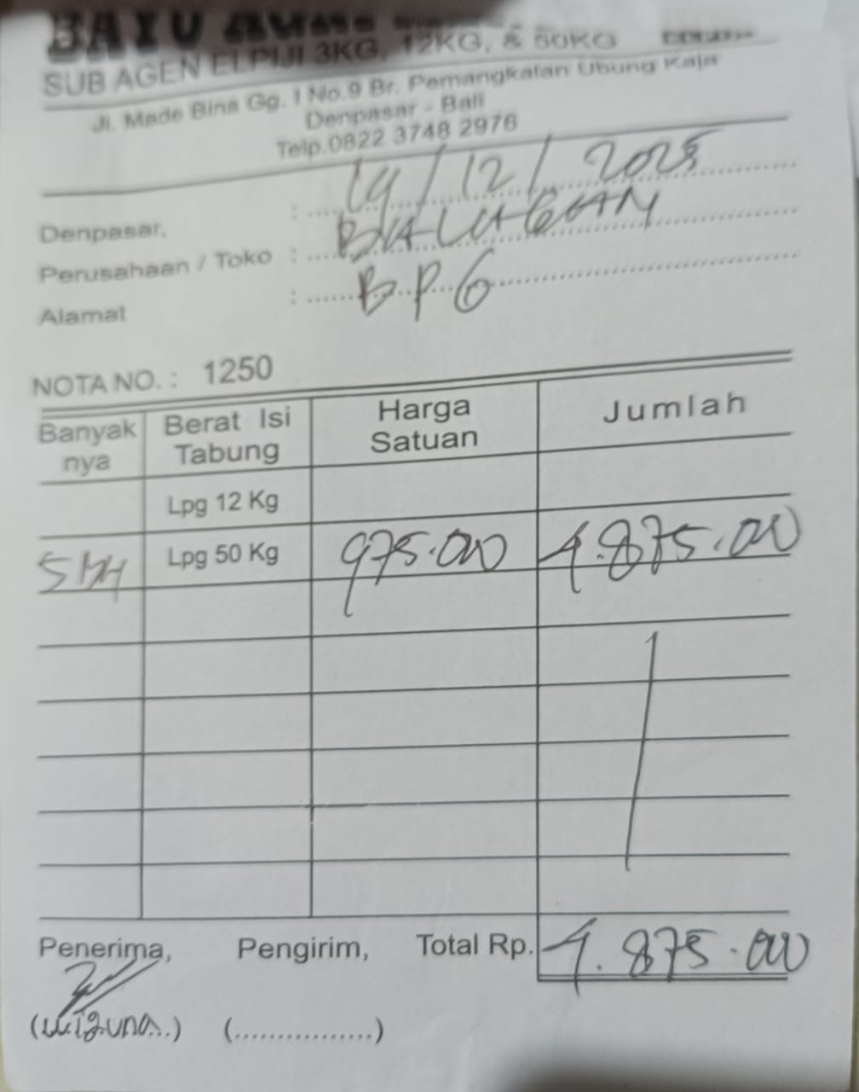 | IDR 975,000 | IDR 4,875,000
TOTAL |  |  |  | Rp8,775,000

